Sheet1
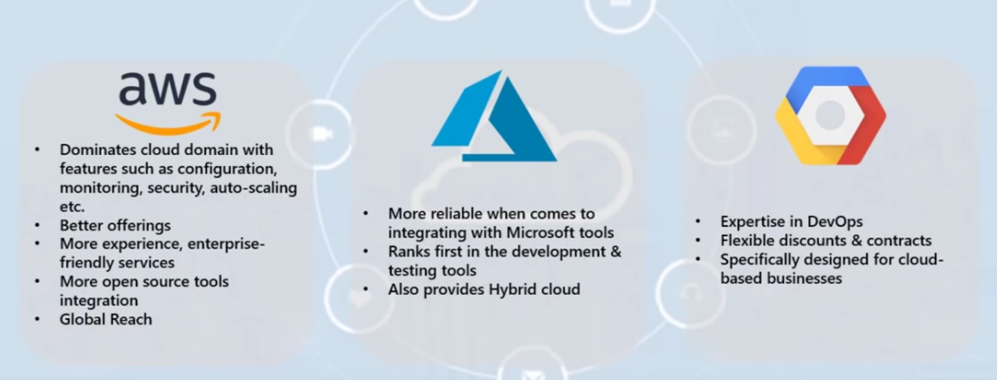
 | AWS | Microsoft Azure | GOOGLE
started | 2006 | 2010 | 2011
Availablity zone | 55+8 | 44+12 | 18+3
Market Share | 40 | 30 | 10
Who is using them | Netflix,Airbnb,bmw,samsung,mi | honey well,apple,adobe,HP | target,Dominos,HSBC,Paypal,20th century fox
Monitor | Cloud Watch(Trafic,Performance) | Azure Application insights(API) | Stack driver Monitoring System
Down Time | 2014(2 hrs 89 min | 39 hrs | 14 mins
 | (3.97 Per hours/mins)contracts | Enterprise Agreement(3.97 per min) | 1-3 years sustained use(5.32 per min)
Largest instance | 3.84TB RAM+128 vCPU | 3.84TB RAM+128 vCPU | 3.75TB RAM+160 vCPU | 